Sheet9-clustering 1
Total within sum of square vs number of cluster (k)
k=2 | k=3 | k=4 | k=5 | k=6 | k=7 | k=8 | k=9 | k=10 | k=11 | k=12 |  |  | patients | 6 clusters
within sum of square for each cluster |  |  |  |  |  |  |  |  |  |  |  |  | patient 1 | 5
138.137 | 126.352 | 9.789 | 9.789 | 9.789 | 9.789 | 47.658 | 42.952 | 42.952 | 42.952 | 42.952 |  |  | patient 2 | 5
208.082 | 91.719 | 132.516 | 41.178 | 22.1 | 13.437 | 9.207 | 13.437 | 13.437 | 0.923 | 0.923 |  |  | patient 3 | 3
346.219 | 91.998 | 75.743 | 75.743 | 75.743 | 75.743 | 59.237 | 15.393 | 15.393 | 15.393 | 15.393 |  |  | patient 4 | 4
 | 310.069 | 19.202 | 19.202 | 17.131 | 9.054 | 9.054 | 9.054 | 9.054 | 4.35 | 4.35 |  |  | patient 5 | 5
 |  | 237.25 | 50.922 | 50.922 | 50.922 | 26.755 | 32.118 | 21.824 | 18.272 | 18.272 |  |  | patient 6 | 6
 |  |  | 196.834 | 7.962 | 5.113 | 5.113 | 5.113 | 5.113 | 0.49 | 0.49 |  |  | patient 7 | 4
 |  |  |  | 183.647 | 9.946 | 13.973 | 9.946 | 9.946 | 6.276 | 6.276 |  |  | patient 8 | 3
 |  |  |  |  | 174.004 | 20.304 | 8.992 | 8.992 | 8.992 | 8.992 |  |  | patient 9 | 3
 |  |  |  |  |  | 191.301 | 29.607 | 29.607 | 29.607 | 29.607 |  |  | patient 10 | 5
 |  |  |  |  |  |  | 166.612 | 1.913 | 1.913 | 1.913 |  |  | patient 11 | 2
 |  |  |  |  |  |  |  | 158.231 | 27.713 | 16.207 | k | total within sum of square | patient 12 | 2
 |  |  |  |  |  |  |  |  | 156.881 | 2.351 | 2 | 346.219 | patient 13 | 5
 |  |  |  |  |  |  |  |  |  | 147.726 | 3 | 310.069 | patient 14 | 4
 |  |  |  |  |  |  |  |  |  |  | 4 | 237.25 | patient 15 | 3
 |  |  |  |  |  |  |  |  |  |  | 5 | 196.834 | patient 16 | 5
 |  |  |  |  |  |  |  |  |  |  | 6 | 183.647 | patient 17 | 3
 |  |  |  |  |  |  |  |  |  |  | 7 | 174.004 | patient 18 | 5
در حالتی که همه ستونها به جز ststus استاندارد شدند |  |  |  |  |  |  |  |  |  |  | 8 | 191.301 | patient 19 | 3
 |  |  |  |  |  |  |  |  |  |  | 9 | 166.612 | patient 20 | 4
 |  |  |  |  |  |  |  |  |  |  | 10 | 158.231 | patient 21 | 5
 |  |  |  |  |  |  |  |  |  |  | 11 | 156.881 | patient 22 | 5
 |  |  |  |  |  |  |  |  |  |  | 12 | 147.726 | patient 23 | 2
 |  |  |  |  |  |  |  |  |  |  |  |  | patient 24 | 2
 |  |  |  |  |  |  |  |  |  |  |  |  | patient 25 | 3
 |  |  |  |  |  |  |  |  |  |  |  |  | patient 26 | 5
 |  |  |  |  |  |  |  |  |  |  |  |  | patient 27 | 3
 |  |  |  |  |  |  |  |  |  |  |  |  | patient 28 | 2
 |  |  |  |  |  |  |  |  |  |  |  |  | patient 29 | 2
 |  |  |  |  |  |  |  |  |  |  |  |  | patient 30 | 3
 |  |  |  |  |  |  |  |  |  |  |  |  | patient 31 | 3
 |  |  |  |  |  |  |  |  |  |  |  |  | patient 32 | 5
 |  |  |  |  |  |  |  |  |  |  |  |  | patient 33 | 5
 |  |  |  |  |  |  |  |  |  |  |  |  | patient 34 | 1
 |  |  |  |  |  |  |  |  |  |  |  |  | patient 35 | 5
 |  |  |  |  |  |  |  |  |  |  |  |  | patient 36 | 6
 |  |  |  |  |  |  |  |  |  |  |  |  | patient 37 | 6
 |  |  |  |  |  |  |  |  |  |  |  |  | patient 38 | 5
 |  |  |  |  |  |  |  |  |  |  |  |  | patient 39 | 3
 |  |  |  |  |  |  |  |  |  |  |  |  | patient 40 | 6
 |  |  |  |  |  |  |  |  |  |  |  |  | patient 41 | 5
 |  |  |  |  |  |  |  |  |  |  |  |  | patient 42 | 5
 |  |  |  |  |  |  |  |  |  |  |  |  | patient 43 | 5
 |  |  |  |  |  |  |  |  |  |  |  |  | patient 44 | 5
 |  |  |  |  |  |  |  |  |  |  |  |  | patient 45 | 3
 |  |  |  |  |  |  |  |  |  |  |  |  | patient 46 | 5
 |  |  |  |  |  |  |  |  |  |  |  |  | patient 47 | 3
 |  |  |  |  |  |  |  |  |  |  |  |  | patient 48 | 3
 |  |  |  |  |  |  |  |  |  |  |  |  | patient 49 | 4
 |  |  |  |  |  |  |  |  |  |  |  |  | patient 50 | 1
 |  |  |  |  |  |  |  |  |  |  |  |  | patient 51 | 4
 |  |  |  |  |  |  |  |  |  |  |  |  | patient 52 | 3
 |  |  |  |  |  |  |  |  |  |  |  |  | patient 53 | 5
 |  |  |  |  |  |  |  |  |  |  |  |  | patient 54 | 2
 |  |  |  |  |  |  |  |  |  |  |  |  | patient 55 | 2
 |  |  |  |  |  |  |  |  |  |  |  |  | patient 56 | 3
 |  |  |  |  |  |  |  |  |  |  |  |  | patient 57 | 3
 |  |  |  |  |  |  |  |  |  |  |  |  | patient 58 | 5
 |  |  |  |  |  |  |  |  |  |  |  |  | patient 59 | 5
 |  |  |  |  |  |  |  |  |  |  |  |  | patient 60 | 3
 |  |  |  |  |  |  |  |  |  |  |  |  | patient 61 | 5
 |  |  |  |  |  |  |  |  |  |  |  |  | patient 62 | 3
 |  |  |  |  |  |  |  |  |  |  |  |  | patient 63 | 3
 |  |  |  |  |  |  |  |  |  |  |  |  | patient 64 | 3
 |  |  |  |  |  |  |  |  |  |  |  |  | patient 65 | 3
 |  |  |  |  |  |  |  |  |  |  |  |  | patient 66 | 5
 |  |  |  |  |  |  |  |  |  |  |  |  | patient 67 | 5
 |  |  |  |  |  |  |  |  |  |  |  |  | patient 68 | 2
 |  |  |  |  |  |  |  |  |  |  |  |  | patient 69 | 3

sheet10-clustering 3
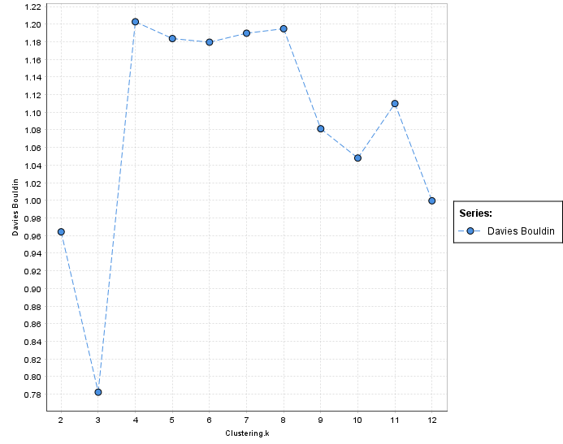
K | Davis Bouldin
2 | 0.964
3 | 0.782
4 | 1.203
5 | 1.184
6 | 1.179
7 | 1.190
8 | 1.195
9 | 1.081
10 | 1.048
11 | 1.110
12 | 0.999

